Sheet1
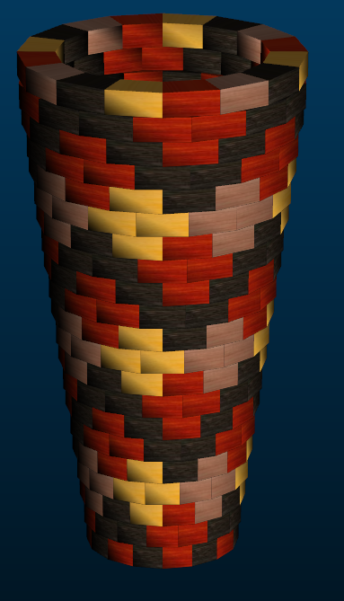
Small Ashiko: 336 Piece Pattern 2 |  |  |  | Segments per Ring: 16 |  |  | Ring Thickness: 0.875 |  |  | Angle: 11.25
 | Board |  | Segment | Diameter |  | Species
Row | Width | Length | S.E.L. | Outer | Inner | Maple | Lgth | Wenge | Lgth | Blood | Lgth | Cherr | Lgth | Yello | Lgth
1 | .00 | .0 | .000 | 5.1"
2 | 2.24 | 11.9 | 1.070 | 5.4" | 0.9" | 1 | .6 | 10 | 7.4 | 5 | 3.6
3 | 2.19 | 12.8 | 1.118 | 5.6" | 1.3" | -4 |  | 10 | 8 | 10 | 8
4 | 2.14 | 13.7 | 1.162 | 5.8" | 1.6" | -4 |  | 5 | 4.2 | 5 | 4.2 | 5 | 4.2 | 5 | 4.2
5 | 2.09 | 14.6 | 1.209 | 6.1" | 1.9" | -4 |  |  |  |  |  | 10 | 9.1 | 10 | 9.1
6 | 2.04 | 15.5 | 1.257 | 6.3" | 2.3" | -4 |  | 5 | 4.8 | 5 | 4.8 | 5 | 4.8 | 5 | 4.8
7 | 1.99 | 16.4 | 1.301 | 6.5" | 2.6" | -4 |  | 10 | 10.2 | 10 | 10.2
8 | 1.93 | 17.4 | 1.349 | 6.8" | 3" | -4 |  | 10 | 10.8 | 10 | 10.8
9 | 1.88 | 18.3 | 1.396 | 7" | 3.3" | -4 |  | 10 | 11.4 | 10 | 11.4
10 | 1.83 | 19.1 | 1.440 | 7.2" | 3.7" | -4 |  | 5 | 5.9 | 5 | 5.9 | 5 | 5.9 | 5 | 5.9
11 | 1.78 | 20.1 | 1.488 | 7.5" | 4" | -4 |  |  |  |  |  | 10 | 12.5 | 10 | 12.5
12 | 1.72 | 20.9 | 1.532 | 7.7" | 4.3" | -4 |  | 5 | 6.5 | 5 | 6.5 | 5 | 6.5 | 5 | 6.5
13 | 1.67 | 21.8 | 1.579 | 7.9" | 4.7" | -4 |  | 10 | 13.6 | 10 | 13.6
14 | 1.62 | 22.7 | 1.623 | 8.2" | 5" | -4 |  | 10 | 14.2 | 10 | 14.2
15 | 1.56 | 23.7 | 1.671 | 8.4" | 5.4" | -4 |  | 10 | 14.7 | 10 | 14.7
16 | 1.51 | 24.6 | 1.719 | 8.6" | 5.7" | -4 |  | 5 | 7.6 | 5 | 7.6 | 5 | 7.6 | 5 | 7.6
17 | 1.46 | 25.5 | 1.762 | 8.9" | 6.1" | -4 |  |  |  |  |  | 10 | 15.9 | 10 | 15.9
18 | 1.41 | 26.4 | 1.810 | 9.1" | 6.4" | -4 |  | 5 | 8.2 | 5 | 8.2 | 5 | 8.2 | 5 | 8.2
19 | 1.35 | 27.3 | 1.854 | 9.3" | 6.7" | -4 |  | 10 | 17 | 10 | 17
20 | 1.30 | 28.2 | 1.902 | 9.6" | 7.1" | -4 |  | 10 | 17.6 | 10 | 17.6
21 | 1.26 | 29.1 | 1.949 | 9.8" | 7.4" | -4 |  | 10 | 18.1 | 10 | 18.1
22 | 1.29 | 29.0 | 1.949 | 9.8" | 7.4" | 6 | 10.8 | 5 | 9 | 5 | 9
22 |  |  |  |  |  | -69 | 11.4 | 145 | 189.2 | 140 | 185.4 | 60 | 74.7 | 60 | 74.7

